Summary
Westrock Coffee Company employs its standard as a verification tool, enabling coffee suppliers to showcase adherence to best practices aligned with Westrock's standards. This is Version 6, launched in January 2024, comprised of two modules—one for Farms and another for Cluster Administrators encompassing a comprehensive scorecard featuring a total of 136 indicators, with 40 of those deemed mandatory indicators. |  |  |  |  | 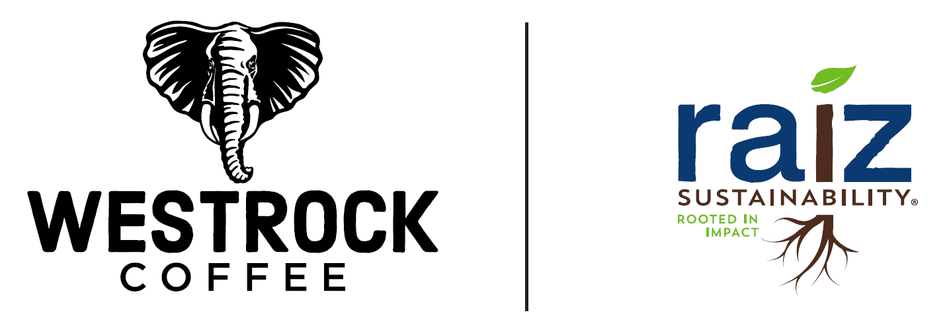

RAIZ Sustainability Standard - Indicator Scorecard - Farm Module V6 2024
Section | Principle | Objective | # of mandatory indicators | # of continuous improvement indicators | # of total indicators
Social | Worker protection | Workers rights | 17 | 0 | 17
 |  | Worker pay | 6 | 8 | 14
 |  | Worker conditions | 1 | 8 | 9
 |  | Health and safety training | 2 | 6 | 8
Social subtotal |  |  | 26 | 22 | 48
Environmental | Sustainable, safe, and profitable agricultural practices | Soil protection | 0 | 6 | 6
 |  | Forest conservation | 2 | 0 | 2
 |  | Biodiversity protection | 2 | 9 | 11
 |  | Chemical usage | 3 | 7 | 10
 |  | Water protection | 0 | 5 | 5
 |  | Waste Management | 1 | 3 | 4
 | Climate | Efficient Energy use | 0 | 3 | 3
 |  | Climate Change | 0 | 2 | 2
Environmental subtotal |  |  | 8 | 35 | 43
Economic | Assured supply | Assured Quality | 0 | 1 | 1
 |  | Farm Improvement | 0 | 2 | 2
 | Transparency and traceability | Transparency | 0 | 4 | 4
 |  | Traceability | 2 | 1 | 3
 | Business integrity | Business integrity | 0 | 1 | 1
Economic subtotal |  |  | 2 | 9 | 11
Total |  |  | 36 | 66 | 102

RAIZ Sustainability Standard - Indicator Scorecard - Cluster Administrator Module V6 2024
Section | Principle | Objective | # of mandatory indicators | # of continuous improvement indicators | # of total indicators
Social | Worker Protection | Worker conditions | 4 | 0 | 4
 |  | Worker inclusion | 0 | 4 | 4
 |  | Health and safety training | 0 | 1 | 1
Social subtotal |  |  | 4 | 5 | 9
Environmental | Sustainable, Safe, and Profitable Agricultural Practices | Soil Protection | 1 | 2 | 3
 |  | Biodiversity Protection | 0 | 2 | 2
 |  | Waste Management | 0 | 1 | 1
 |  | Efficient Energy Use | 0 | 1 | 1
 | Climate | Climate Change | 0 | 5 | 5
Environmental subtotal |  |  | 1 | 11 | 12
Economic | Assured Supply | Supplier Improvement Plan | 0 | 5 | 5
 |  | Assured Quality | 0 | 1 | 1
 |  | Farm Improvement | 0 | 1 | 1
 | Transparency and traceability | Transparency | 0 | 2 | 2
 |  | Traceability | 0 | 2 | 2
 |  | Premium investment | 1 | 2 | 3
Economic subtotal |  |  | 1 | 13 | 14
Total |  |  | 6 | 29 | 35

